
 |  |  |  | CODE: |  |  | pl1154 aa SN from 98E905
DESCRIPTION: |  | SUCTION |  | ANSAUGUNG | ASPIRATION / SUCCION | SUCCIÓN | ASPIRAZIONE 24V
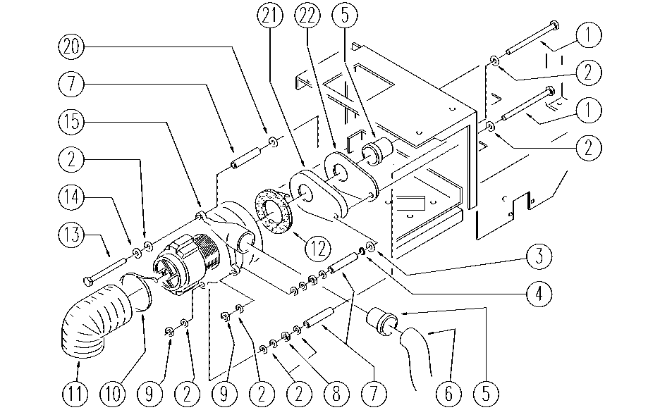

REF. | CODE | DESCRIPTION | QT
1 | SL04282 | SCREW | 2
2 | E86427 | Washer for AS20 | 11
3 | SL06030 | WASHER | 1
4 | E89408 | Stop Ring | 1
5 | E86449 | AS20 Bushing for Vac Motor | 2
6 | E86470 | 18" Hose | 1
7 | SL07290 | BEARING | 3
8 | E86873 | Nut | 2
9 | E86875 | Self-Locking Nut | 2
10 | E86460 | Cable tie 12" | 1
11 | E86485 | Hose D80-270 mm | 1
12 | E86403 | Gasket for Vacuum Motor | 1
13 | SL04247 | SCREW | 1
14 | E86716 | Cham Washer | 1
15 | E86400 | Vacuum Motor | 1
20 | E86879 | Washer | 1
21 | E89161 | Suction conveyor | 1
22 | E86405 | Conveyor Gasket | 1

